Toronto Tech Fest 2024
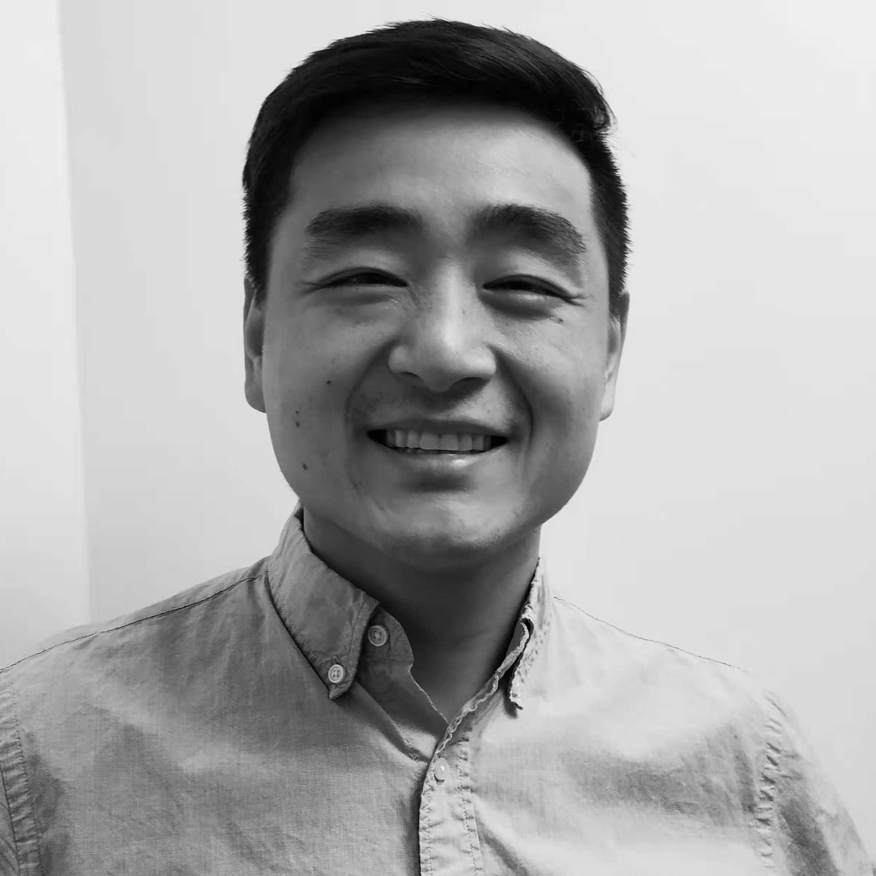
Toronto Tech Fest Master Afterparty List 2024 |  |  |  |  |  |  |  |  |  |  |  |  | @ | @ | @ | @dropdown | @ | @ | Option 1 | @dropdown | @ | Option 1 | @ | @dropdown | @dropdown | @dropdown | @ | @dropdown | @
Contributors |  | Event Count = 146
 |  | Michael |  | Toronto Tech Fest | Aceocial |  | Airfoil
 |  | @michaelshliu |  | @TorontoTechFest | @Aceocial |  | @Airfoil
 |  | @trueselfML |  | https://www.torontotechfest.com/ | https://aceocial.com/ |  | IG: Airfoil
 |  |  |  |  |  |  | LinkedIn: Airfoil
 |  | DM through |  | Join the conversation | Stay up to date |  | https://www.airfoil.studio/
 |  | LinkedIn to Collab

Feel free to add your events in the edittable section below 👇
DM Michael if there are any errors or if you're interested in helping out.

Date | Start | End | Community | Class | Event | Address | Door | Vibe | RSVP | Food | Drinks | Description
1/5/2024 | 17:00:00 | 20:00:00 | CryptoTO | Business | CryptoTO Whiteboard Sessions #1: CFMM Basics | 786 King St W, Toronto, ON M5V 1N6 | Free | Workshop | https://lu.ma/sz6dg5w3 | FALSE | FALSE | ​Join us for an enlightening evening at StartWell's Main Campus, located at 786 King St W, Toronto, for the inaugural CryptoTO Whiteboard Sessions. Our first session is dedicated to unraveling the mysteries of Constant Function Market Makers (CFMMs) - a cornerstone concept in the world of decentralized finance (DeFi). Hosted by HashCloak's Mikerah, this event promises to be a deep dive into the technical intricacies that power some of the most popular DeFi protocols today, such as Uniswap and Sushiswap.
2/5/2024 | 17:00:00 | 20:00:00 | Rogers Cybersecure Catalyst, RBC | Business | Innovation Ignited: RBC FinSec Incubator Launch Party | 100 Queens Quay E Suite 1600, Toronto, ON M5E 1Y3 | Invite Only | Networking | https://lu.ma/7o6azyrm | FALSE | FALSE | Join us as we celebrate the launch of the RBC FinSec Incubator program, powered by Rogers Cybersecure Catalyst and RBC. This new program aims to assist early-stage Canadian fintech and cybersecurity startups in fostering connections, accelerating commercialization, showcasing technologies, and learning or preparing for industry procurement requirements within the financial sector, all bolstered by the support of RBC.
2/5/2024 | 17:00:00 | 21:00:00 | Ollamas and friends | Business | Toronto Local & Open-Source AI Developer Meetup | 171 John St 2nd Floor, Toronto, ON M5T 1X3 | Free | Networking | https://lu.ma/devs5 | TRUE | FALSE | ​Local & open-source AI developer meetup is coming to Toronto!
2/5/2024 | 17:30:00 | 19:30:00 | Chief of Staff Network | Business | Toronto CoS Meetup (Thursday 5/2) |  | Free | Mixer | https://lu.ma/t2crtyc1 | FALSE | FALSE | ​Come connect with other CoS in Toronto!
2/5/2024 | 18:00:00 | 20:00:00 | BrainStation | Business | Starting and Building a Career in Data | 482 Front Street West 2nd Floor Toronto, ON M5V 0W1 | Free | Panel | https://www.eventbrite.ca/e/starting-and-building-a-career-in-data-tickets-877958305927 | TRUE | TRUE | Learn how to start your career in data and related fields with guidance from expert professionals at Indigo, Rogers and Shopify!
2/5/2024 | 18:00:00 | 20:30:00 | Startup Investor Drinks | Business | Startup Investor Drinks | 30 Wellington St W 5th Floor · Toronto, ON | $25.00 | Networking | https://www.meetup.com/startup-toronto/events/300092649/ | FALSE | FALSE | The Startup Investor Drinks Toronto event aims to address the need for networking and collaboration within Toronto's startup ecosystem, connecting investor-ready startups with active investors. Connect with investors and founder In an intimate environment with open pitches and a open bar to facilitate networking. Various ticket options are available, each offering unique benefits.
2/5/2024 | 18:00:00 | 21:00:00 | OneEleven | Business | [111] Partnership Premiere - CDW X Apple X Cisco | 325 Front St W 4th Floor, Toronto, ON M5V 2Y1 | Invite Only | Networking | https://lu.ma/0nlwvu2r | FALSE | FALSE | ​OneEleven is thrilled to launch its partnership with CDW Canada through a kick-off networking event, bringing together technology leaders and innovators to foster collaboration and growth. The event marks the start of a dynamic relationship aimed at providing startups and established companies with access to cutting-edge technology, resources, and expertise. This initiative underscores CDW Canada's commitment to supporting the Canadian tech ecosystem and driving innovation for a more connected and sustainable future.
2/5/2024 | 18:00:00 | 22:00:00 | Startup Valley | Business | Startup Pitch in Toronto Rooftop | 627 King St W, Toronto, ON M5V 1M5, Canada | $19.90 | Networking | https://lu.ma/hazfpbuf | FALSE | FALSE | ​Engage with leading experts and founders in the Tech & Business, and top investors to gain deep insights and valuable networking.
2/5/2024 | 19:00:00 | 21:00:00 | Brampton Entrepreneur Centre | Business | Entrepreneurs Connect - Pitching to Investors: Tips & Tricks | 41 George Street South Brampton, ON L6Y 2E1 | Free | Workshop | https://www.eventbrite.ca/e/entrepreneurs-connect-pitching-to-investors-tips-tricks-tickets-863926947757 | FALSE | FALSE | You only get one shot to impress an investor, so you'd better make it count. If you are planning to raise money from investors, you need a good pitch.
2/5/2024 | 20:00:00 | 23:00:00 | The Power Plant Contemporary Art Gallery | Culture | Opening Party of Summer 2024 Exhibitions | 231 Queens Quay W, Toronto, ON M5J 2G8 | Free | Gallery | https://www.thepowerplant.org/whats-on/calendar/opening-party-of-summer-2024-exhibitions | FALSE | FALSE | On Thursday, May 2, from 8 PM to 11 PM, be amongst the first to see two solo exhibitions focusing on the work of two established Canadian artists, June Clark and Terence Gower!
3/5/2024 | 18:00:00 | 21:00:00 | Aceocial, Toronto Tech Fest, Glyph Platforms, OVRA | Toronto Tech Fest 👾 | The Future of Human-Computer Interaction & Meta Materials Rooftop Mixer | 627 King St W, Toronto, ON M5V 1M5, Canada | Free | Mixer | https://lu.ma/calendar/manage/cal-KQCPkgCBy4QE9of | FALSE | FALSE | Join us on May 6th to connect with founders and investors actively pushing forward the AR and VR space in Canada.
4/5/2024 | 15:00:00 | 17:00:00 | Toronto Young Professional and Startup Enthusiast Meetup Group | Business | Toronto Young Professional & Startup Enthusiast Meetup Group | 131 Avenue Rd · Toronto, ON | Free | Coffee | https://www.meetup.com/toronto-young-professional-startup-enthusiast-meetup-group/events/299112813/ | FALSE | FALSE | Navigating work/personal life in this mega city can be challenging ! We welcome all the Toronto young professionals & startup lovers to join this community that provides you an inclusive and casual platform to share, discuss, and grow! No matter what career stage you are at, what industry you work for, or what startup idea you are brainstorming, this inclusive & vibrant community aims to help you embark on your new personal/work journey! If work sounds annoying to you or you are new to the city, you can come have a coffee and meet new people! Let's exchange ideas and create new memories together!
5/5/2024 | 20:00:00 | 22:00:00 | Aceocial, Burgers n' Fries Forever | Toronto Tech Fest 👾 | Fundraising Founders Burger Raid | 106 John St Unit 2, Toronto, ON M5H 1X9, Canada | Free | Dinner | https://lu.ma/t7sqicqo | TRUE | TRUE | Burgers n' Fries Forever in partnership with Aceocial is providing hungry, fundraising founders with good company, fundraising solidarity, and burgers on the house.
6/5/2024 | 18:15:00 | 19:45:00 | NLP from Scratch | Business | How Do I AI? Toronto In-Person Generative AI Workshop - May 6th, 2024 | 190 Fort York Boulevard Toronto, ON M5V 0E7 | Free | Workshop | https://www.eventbrite.ca/e/how-do-i-ai-toronto-in-person-generative-ai-workshop-may-6th-2024-tickets-879603917997 | FALSE | FALSE | Generative AI and large language models are everywhere, and for the uninitiated all the AI hype can seem intimidating. Where to get started with AI? How can I use these new tools and technologies to make my everyday life and work easier? In this workshop designed especially for non-technical beginners and AI enthusiasts, get started on your journey into the world of generative artificial intelligence, whether it be learning how to effectively harness the power of existing tools and models in your current work or this is your first stepping stone into the field as a practitioner. The workshop will be a short presentation followed by an open Q&A and discussion period.
7/5/2024 | 8:00:00 | 10:00:00 | Rachel B. | Business | Founder Coffee | 33 Bloor St East, · Toronto , ON | Free | Coffee | https://www.meetup.com/meetup-group-jenqgcba/events/299877998 | FALSE | FALSE | This event is to help connect with other founders in an informal setting. Wherever you are on your journey join us.
7/5/2024 | 8:00:00 | 5:00:00 | Schwartz Reisman Institute | Business | Absolutely Interdisciplinary 2024 | 108 College Street Toronto, ON M5G 1L7 | $61.68 | Networking | https://www.eventbrite.ca/e/absolutely-interdisciplinary-2024-tickets-859539454647 | FALSE | FALSE | An annual academic conference hosted by the Schwartz Reisman Institute for Technology and Society, Absolutely Interdisciplinary convenes leading thinkers from a rich variety of fields to engage in conversations that encourage innovation and inspire new insights.
7/5/2024 | 12:00:00 | 16:30:00 | Worksimply | Business | Apple Vision Pro Demo + Co-working | 134 Peter St, Toronto, ON M5V 2H2 | Waitlist | Workshop | https://lu.ma/rahvslmu | FALSE | FALSE | ​Experience the future of technology and meet other people at our exclusive event featuring the brand-new Apple Vision Pro. This day is perfect for anyone interested in the latest tech and looking to co-work alongside other professionals.
7/5/2024 | 17:00:00 | 19:00:00 | Stripe | Business | Stripe Toronto meetup | 600 King St W 4th Floor, Toronto, ON M5V 1M3, Canada 2nd floor | Free | Networking | https://lu.ma/stripe-toronto?tk=0M8O9P | FALSE | FALSE | Join Stripe CTO David Singleton, Boom Vision CEO Robleh Jama, and Radical Ventures investor Sanjana Basu for a meetup and happy hour. Come meet fellow builders and entrepreneurs and chat with the Stripe team. We'll have food and cocktails on hand, but please bring questions about Stripe and building in Toronto!
7/5/2024 | 17:00:00 | 20:00:00 | Toronto Women in Business Networking Group (TWIB) | Business | GTApreneurs May 7 Business Networking Event Toronto - East York with Food Buffet | 2035 Danforth Ave. · Toronto, on | $20.00 | Networking | https://www.meetup.com/downtown-toronto-women-in-business-meetup/events/300434241/ | FALSE | FALSE | Join us for GTApreneurs May 7 Business Networking Event Toronto-EAST YORK to enjoy a food buffet, meet potential clients and referral partners, learn something new and promote your business! You will have the option to give a 30 second pitch to the group.
7/5/2024 | 18:00:00 | 19:00:00 | Aceocial, Toronto Tech Fest | Toronto Tech Fest 👾 | Toronto Tech Fest Organizer Happy Hour |  | Invite Only | Drinks | https://lu.ma/n8uqa3zm | FALSE | FALSE | We're having a special happy hour for everyone who is hosting an event with us at Toronto Tech Fest. We'll be sharing event hosting best practices, learnings, and ideas for attendees pre and post event!
7/5/2024 | 18:00:00 | 20:30:00 | Betakit | Business | BetaKit Town Hall |  | Free | Panel | https://lu.ma/betakit-townhall | FALSE | FALSE | ​Join BetaKit for a special Town Hall bringing together Canadian founders and leaders from across the technology ecosystem for a pulse check on the state of innovation, productivity, optimism, and more.
7/5/2024 | 18:00:00 | 21:00:00 | Mindstone | Business | Mindstone Toronto AI Meetup | 30 Stephanie St, Toronto, ON M5T 1X6 Toronto, ON M5T 1X6 | Free | Networking | https://www.eventbrite.ca/e/mindstone-toronto-ai-meetup-tickets-793039471407 | FALSE | FALSE | Join us once a month as we delve into the world of artificial intelligence, explore its cutting-edge practical applications, and marvel at the astonishing projects that are shaping our future.
7/5/2024 | 21:00:00 | 23:00:00 | Toki, Fawziyah | Toronto Tech Fest 👾 | secret tech party |  | Free | Party | https://lu.ma/techparty | FALSE | FALSE | ​​i'm bringing together founders, investors, and friends in tech in the heart of Toronto
8/5/2024 | 17:00:00 | 20:30:00 | Schwartz Reisman Institute | Business | Ian P. Sharp Lecture featuring Beth Simone Noveck | 108 College Street Toronto, ON M5G 1L6 | Free | Workshop | https://www.eventbrite.ca/e/ian-p-sharp-lecture-featuring-beth-simone-noveck-tickets-868608721067 | FALSE | FALSE | The Ian P. Sharp Lectureship was established at the Faculty of Information Studies at the University of Toronto in 1989 through a gift from I.P. Sharp Associates Ltd. (A Reuters Company). It is intended to bring internationally renowned individuals to the campus to explore the transformative effects of information practice. The lectures, which are open to the profession and members of the public, are delivered every three to four years by a distinguished figure in information science and related fields.
9/5/2024 | 8:30:00 | 11:00:00 | NEXT Canada | Business | NEXT Canada Venture Reveal |  | Free | Networking | https://www.nextcanada.com/venture-reveal-registration-2022/ | FALSE | FALSE | NEXT Canada's Venture Reveal Event serves as the official kickoff of the summer institute and brings together the Toronto tech ecosystem for venture pitches, demos, and networking with the 2024 cohorts of Next 36, Next AI, and Next Founders.
9/5/2024 | 10:00:00 | 13:00:00 | ventureLAB | Business | ventureLAB Info Session (In-Person) | 3600 Steeles Ave. E. Room A104 Markham, ON L3R 9Z7 | Free | Workshop | https://www.eventbrite.ca/e/venturelab-info-session-in-person-tickets-673351892637 | FALSE | FALSE | At the Info Session, we will cover: Who ventureLAB is, Our partners and ecosystem, Programs and opportunities to support entrepreneurs at each stage of business
9/5/2024 | 15:30:00 | 17:00:00 | Co.Lab | Business | Good Question 👏 Q&A with Pyschotherapist Kristina Virro |  | Zoom | Workshop | https://lu.ma/6kgild9g | FALSE | FALSE | Calling all tech enthusiasts and innovators! Join us for a month's worth of emotional wellness, physical health, and community programming throughout the month of May.
9/5/2024 | 18:00:00 | 21:00:00 | TechTO | Business | TechTO: Travel | May 9th, 2024 | 325 Front St. W, Toronto, ON | $40.00 | Networking | https://www.techto.org/events/techto-travel-may-9th-2024?utm_source=blog.techto.org&utm_medium=michael | TRUE | TRUE | TechTO: Travel brings together a community of travel and technology enthusiasts. Join our community to gain insights into the future of travel and learn about innovative companies in the travel industry.
9/5/2024 | 19:00:00 | 22:00:00 | Todotoronto | Business | A Rooftop Networking Mixer for Biz Owners & Founders at Lavelle | 627 King St W · Toronto, ON | $25.57 | Networking | https://www.eventbrite.ca/e/rooftop-networking-mixer-for-biz-owners-founders-lavelle-tickets-876732108337 | FALSE | FALSE | Ready to expand your network? Join Todotoronto's monthly networking socials for business owners at the chic rooftop bar at Lavelle! Connect with fellow founders and business owners from across the GTA on May 9th. With our events typically drawing 75-100 attendees, it's the perfect opportunity to forge valuable connections.
11/5/2024 | 11:00:00 | 13:00:00 | Tech Together, by Co.Lab | Culture | Walk in the Park 🌳 | Grange Park, Toronto, Ontario | Free | Wellness | https://lu.ma/TTwalk1 | FALSE | FALSE | Let's take a walk together and enjoy some nature, touch some grass as a group. Lace up your comfortable footwear and get ready for a chill and cozy group walk at the park. 🌳 ​Join us in on a group adventure where we'll encourage meaningful conversations, watch squirrels run, and share a moment of shared gratitude through this semi guided experience. 🐿️
13/5/2024 | 18:00:00 | 21:00:00 | TechTO | Business | TechTO: Sales x Relay Financial - Winning Through Adversity | 325 Front St. W, Toronto, ON | $40.00 | Networking | https://www.techto.org/events/techto-sales-x-relay-financial---winning-through-adversity?utm_source=michael | TRUE | TRUE | TechTO x Relay x David Priemer bring you this special edition of TechTO: Sales. Join our community to gain insights and learn from the incredible sales leaders over food and drinks!
14/5/2024 | 7:00:00 | 9:00:00 | Othership | Business | Founder's Arctic Tundra | 110 Bloor St W, Toronto, ON M5S 2W7, Canada | $35.00 | Wellness | https://othershipyorkville.brandbot-checkout.com/founders-arctic-tundra-Nhj.html | FALSE | FALSE | Expect 64 people and an energizing uplifting class to connect with your fellow founders.
14/5/2024 | 8:00:00 | 10:00:00 | Rachel B. | Business | Founder Coffee | 33 Bloor St East, · Toronto , ON | Free | Coffee | https://www.meetup.com/meetup-group-jenqgcba/events/300611117/ | FALSE | FALSE | This event is to help connect with other founders in an informal setting. Wherever you are on your journey join us.
14/5/2024 | 8:00:00 | 9:00:00 | BrainStation | Business | TO Tech Morning: Careers & Coffee | 482 Front Street West 2nd Floor Toronto, ON M5V 0W1 | Free | Panel | https://www.eventbrite.ca/e/to-tech-morning-careers-coffee-tickets-880468453847 | TRUE | TRUE | Join us to hear from industry leaders from Cisco, Red Bull and Google as they discuss their unique career paths in technology.
14/5/2024 | 11:00:00 | 12:00:00 | MaRS Discovery District, Export Development Canada | Business | Beyond VC: Working Capital and Alternative Funding for International Growth | Zoom | Free | Panel | https://www.eventbrite.ca/e/beyond-vc-working-capital-and-alternative-funding-for-international-growth-tickets-886433976887 | FALSE | FALSE | Join us for an interactive Ask Me Anything session, where we'll delve into alternative sources beyond the VC route.
14/5/2024 | 12:00:00 | 19:00:00 | Google | Business | AI Startup Trailblazers: Toronto |  | Free | Panel | https://inthecloud.withgoogle.com/ai-startup-trailblazers-toronto/register.html | FALSE | FALSE | The future of AI is here and AI Startup Trailblazers: Toronto is your launchpad to the stratosphere. This dynamic two-track event equips both visionary executives and trailblazing developers with the tools and insights to unlock the transformative power of AI, tailored to your specific needs.
14/5/2024 | 18:00:00 | 20:00:00 | Startup Huddle | Business | Startup Youth Huddle - May 14th | 65 Queen St E · Brampton, ON | Free | Networking | https://www.meetup.com/startup-huddle/events/300077569/ | FALSE | FALSE | Join us on Tuesday, May 14th for a Startup Huddle, which is a great opportunity to: Network and connect with other like-minded entrepreneurs focused on community to see each other while listening to and supporting local founders who give six-minute presentations outlining challenges faced by their company. Each presentation is followed by a 20-minute conversation offering.
14/5/2024 | 18:00:00 | 21:00:00 | Worksimply | Toronto Tech Fest 👾 | Framer Toronto Meetup | 341 Yonge St, Toronto, ON M5B 1S1 | Free | Networking | https://lu.ma/em1w3wk3 | FALSE | FALSE | ​You're invited to Framer's first in-person meetup in Toronto, hosted by Worksimply. Join us on May 14th at the DMZ Sandbox, just steps from Dundas Square.
14/5/2024 | 20:00:00 | 2:00:00 | WOMBO | Business | Global Supercomputer: The Future of AI |  | Free | Panel | https://lu.ma/WOMBO-Global-Supercomputer | FALSE | FALSE | WOMBO summons the top pioneer minds in AI for Toronto Tech Fest. Embark on this odyssey into the heart of the Global Supercomputer.
15/5/2024 | 8:00:00 | 18:00:00 | Canadian Lenders Association | Business | Fintech: Canadian Bankers Summit | 100 Queens Quay E | $663.41 | Panel | https://financeevents.ca/evnt/2024-bankers-summit/ | FALSE | FALSE | On May 15th, 2024, discover how next-gen FIs are partnering with fintech to accelerate innovation.
15/5/2024 | 18:00:00 | 20:00:00 | AgileTO Meetup Group | Business | Beyond Competition: Prioritizing Differentiation in Product Roadmaps | 180 Simcoe St 3rd floor · Toronto, ON | Free | Workshop | https://www.meetup.com/agileto/events/300198694/ | FALSE | FALSE | Join us for a presentation that rethinks traditional product roadmap prioritization, specially designed for product managers and Agile team participants aiming to elevate their product strategies.
16/5/2024 | 17:00:00 | 17:40:00 | Tech Odyssey | Business | Revolutionizing Medicine | Inside the Mind of the Women behind Self-Driving Labs |  | Free | Panel | https://reactor.microsoft.com/en-us/reactor/events/22659/ | FALSE | FALSE | Welcome aboard “Tech Odyssey”, the epic journey into the realms of AI, technology, and startups, supported by Microsoft Reactor and hosted by Luka Lamaj (Healthcare founder). Embark on a journey where each episode featuring a special guest promises to be an adventure filled with insights and discoveries.
16/5/2024 | 18:00:00 | 20:30:00 | Glyph Platforms | Business | A night of sustainability, fashion & tech |  | Free | Networking | https://lu.ma/4a28bl64 | FALSE | FALSE | ​Glyph Platforms is hosting an industry event for the tech and streetwear community at RCHIVE Fashion Club for Toronto Tech Week 2024 🌱
16/5/2024 | 18:00:00 | 20:30:00 | TechTank TO | Business | Engineering Wellness: Innovations and Challenges in Health Tech | 1 Roof Garden Lane | Free | Panel | https://www.meetup.com/techtank-to/events/300591167/ | FALSE | FALSE | Join us as we continue our second in-person "Guppy Talks" event! Hosted in the heart of Toronto at the beautiful Roof Garden event space, we look forward to an evening filled with insightful discussions, networking opportunities, and celebrations of pioneering achievements in the health tech industry.
...

